Layout
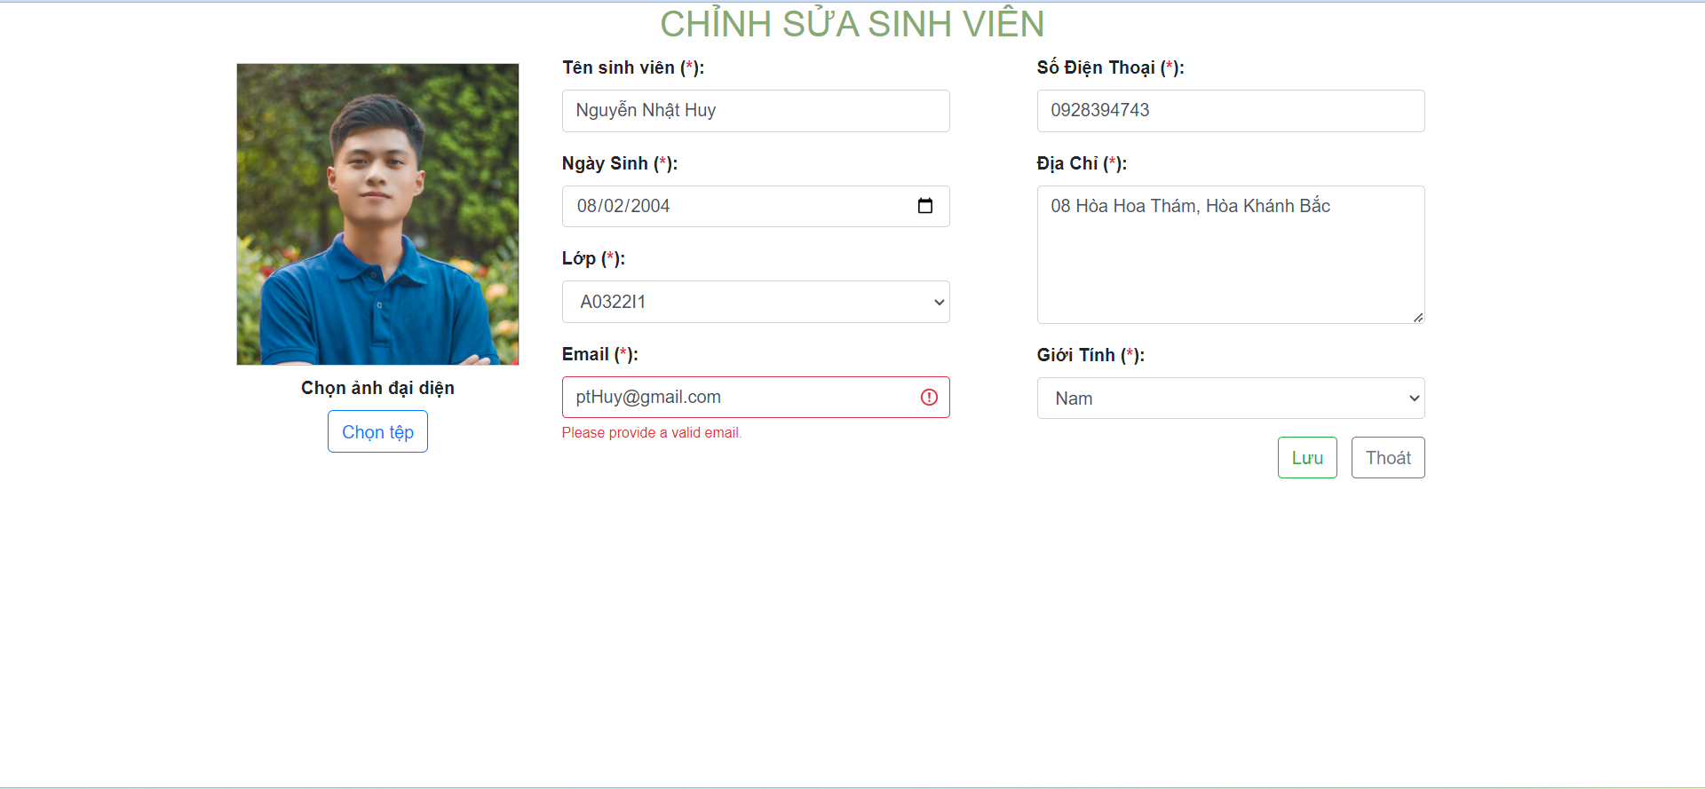
6.4.2 Màn hình thêm thông tin sinh viên
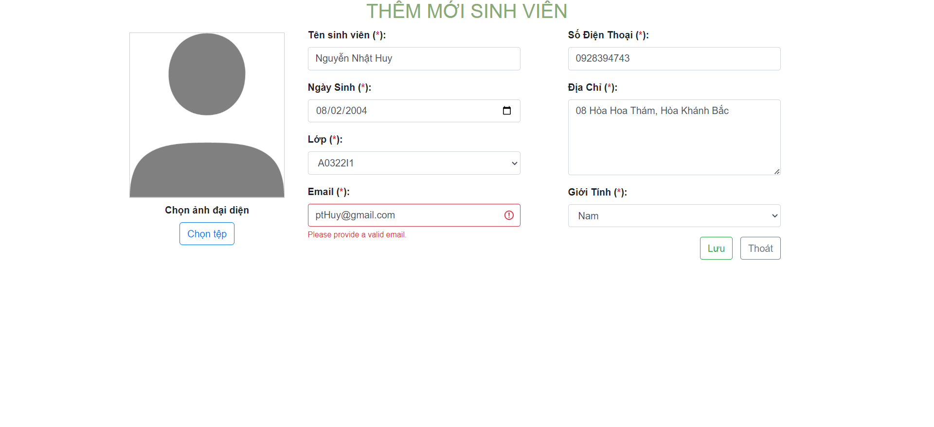

6.4.3 Màn hình sửa thông tin sinh viên

